CARBON - Salary
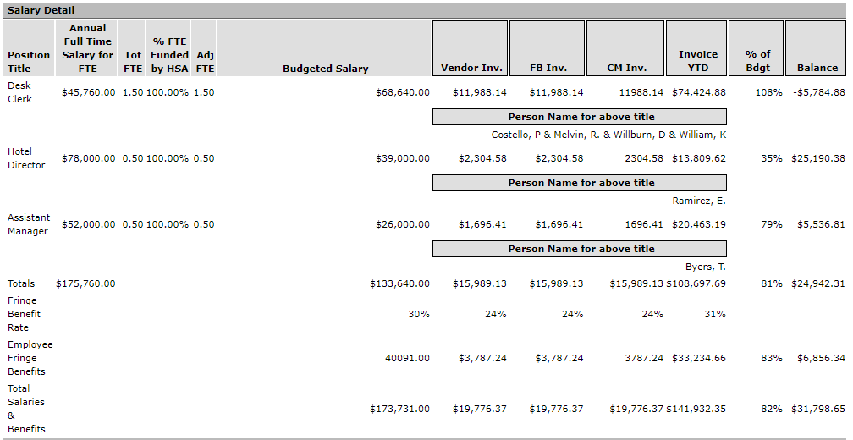
CARBON Invoicing - Salary Detail

CARBON - Operating
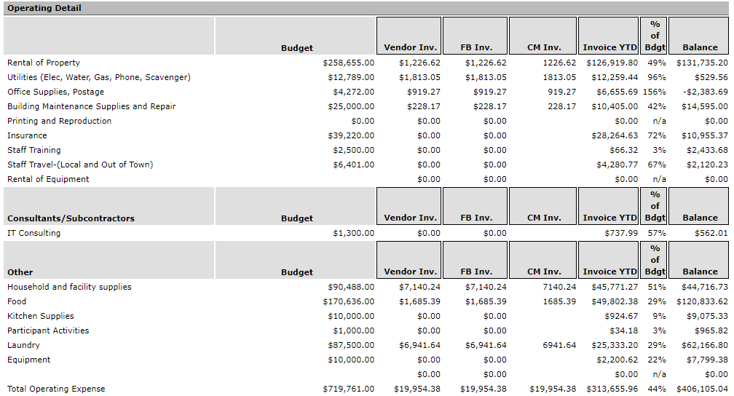
CARBON Invoicing - Operating Detail

